Sheet1
Assignment No : 01 : ABAP Practice Assignment (Data Types, IF ELSE, CASE) |  | *&---------------------------------------------------------------------* *& Report ZABAPASS1_SHUBHAM *&---------------------------------------------------------------------* *& *&---------------------------------------------------------------------* REPORT zabapass1_shubham. * PART 1 : DATA TYPE *Q1. Create the variable (Name, Age, Salary) and display DATA : lv_name TYPE c LENGTH 20 VALUE 'SHUBHAM', lv_age TYPE i VALUE 22, lv_salary TYPE p DECIMALS 2 VALUE '15000.00'. WRITE : / 'THE NAME OF THE EMPLOYEE : ', lv_name, / 'THE AGE OF THE EMPLOYEE :' , lv_age, / 'THE SALARY OF THE EMPLOYEE :' , lv_salary. *Q2. Display current date and time WRITE: / 'Current Date:', sy-datum, / 'Current Time:', sy-uzeit. *Q3. Store and display full name using string DATA lv_name2 TYPE string VALUE 'SHUBHAM'. WRITE : /'THE NAME OF THE STUDENT : ', lv_name2. *PART 2 : IF ELSE *Q4. AGE >= 18 --> ADULT ELSE MINOR DATA lv_age2 TYPE i VALUE 19. IF lv_age2 >= 18. WRITE : / 'THE PERSONE IS AUDULT'. ELSE. WRITE : / ' THE PERSONE IS MINOR'. ENDIF. *Q5. SALARY > 50000 --> HIGH, 20000 - 50000 --> MEDIUM, < 20000 --> LOW DATA lv_salary2 TYPE p DECIMALS 2 VALUE '45000.24'. IF lv_salary2 > 50000. WRITE : / 'THE SALARY IS HIGH'. ELSEIF lv_salary2 > 20000 AND lv_salary2 < 50000. WRITE : / 'THE SALARY IS MEDIUM'. ELSE. WRITE : / 'THE SALARY IS LOW'. ENDIF. *Q.6 EVEN / ODD CHECK DATA lv_num TYPE i VALUE 20. IF lv_num MOD 2 = 0. WRITE : / 'THE NUMBER IS EVEN'. ELSE. WRITE : / 'THE NUMBER IS ODD'. ENDIF. * PART 3 : AND OR *Q7. AGE >= 18 AND SALARY > 20000 --> ELIGIBLE ELSE NOT ELIGIBLE DATA lv_age3 TYPE i VALUE 22. IF lv_age3 >= 18 AND lv_salary >= 20000. WRITE : / 'THE PERSON IS ELIGIBLE'. ELSE. WRITE : / 'THE PERSON IS NOT ELIGBLE'. ENDIF. *PART 4: CASE *Q8. INPUT NUMBER 1 - 7 PRINT DAY NAME. DATA lv_number TYPE i VALUE 3. CASE lv_number. WHEN 1. WRITE : /'MONDAY'. WHEN 2.
 |  |  | OUTPUT

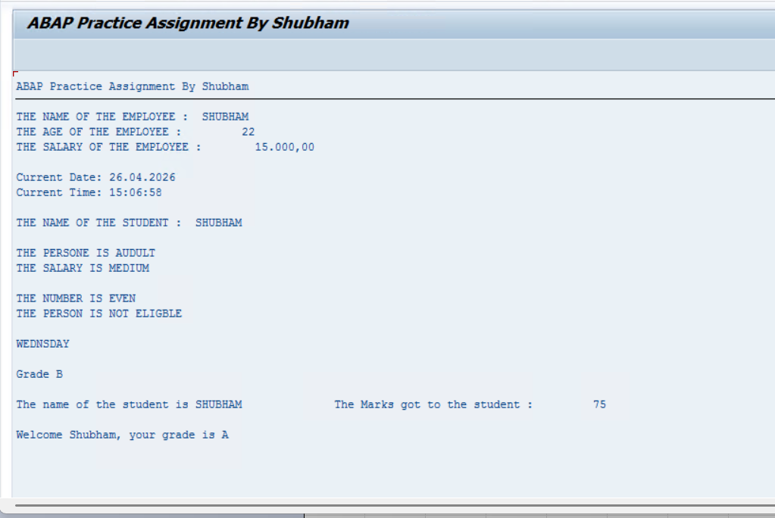
TR | A4HK904241
Package | ZPROGRAMS_SHUBHAM_ABAP
Program Name | ZABAPASS1_SHUBHAM

Part 1 - Data Types
Q1: Create variables (Name, Age, Salary) and display.
Q2: Display current Date and Time.
Q3: Store and display full name using STRING.

Part 2 - IF ELSE
Q4: Age >=18 → Adult else Minor.
Q5: Salary >50000 High, 20000-50000 Medium, <20000 Low.
Q6: Even/Odd check.

Part 3 - AND OR
Q7: Age >=18 AND Salary >20000 → Eligible else Not Eligible.

Part 4 - CASE
Q8: Input number 1-7 → print day name.
Q9: Input marks → Grade using CASE.

Part 5 - Mini Task
Q10: Student Result Program (Name + Marks → Grade).

Bonus
Q11: Print: Welcome <Name>, your grade is <Grade>.

